Dashboard-Women In Science
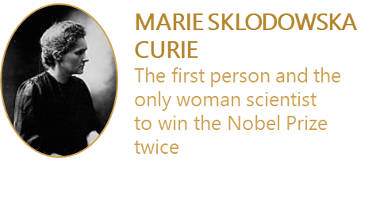
1901-1920
1903 - Marie Curie, the first woman to receive the honor for her contributions in Physics
1911 - Marie Curie is awarded the Nobel Prize in Chemistry
1921-1940
1941-1960
1947 - Gerty Cori, in Physiology or Medicine
1961-1980
1981-2000
1963 - Maria Goeppert Mayer, in Physics 1964 - Dorothy Crowfoot Hodgkin in Chemistry
1977 - Rosalyn Yalow, in Physiology or Medicine
1983 - Barbara McClintock, in Physiology or Medicine 1986 - Rita Levi-Montalcini, in Physiology or Medicine
1988 - Gertrude B. Elion, in Physiology or Medicine
1995 - Christiane Nüsslein-Volhard, in Physiology or Medicine
2001-2019
2004 - Linda B. Buck in Medicine
2008 - Françoise Barré-Sinoussi, in Physiology or Medicine
2009 - Elizabeth Blackburn and Carol W.Greider, in Physiology or Medicine; Ada E. Yonath, in Chemistry 2014 - May-Britt Moser, in Medicine 2015 - Tu Youyou, in Physiology or Medicine 2018 - Frances H. Arnold, in Chemistry; Donna Strickland, in Physics
1935 - Irène Joliot-Curie, daughter of Pierre and Marie Curie awarded the Nobel Prize in Chemistry
2
1
1
3
4
9
Nobel Laureates - Women in Science 1901 - 2019

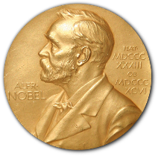
20 Women Nobel Laureates in Science

22% of all the women who changed science won the prize for their scientific achievements in Medicine
Of all the women Nobel Prize winners, only 37% received the recognition in science.
Australia | 1
Canada | 1
China | 1
Czech Republic | 1
Germany | 1
Egypt | 1
Israel | 1
Italy | 1
Norway | 1
France | 2
Poland | 3
USA | 6
Italy | 5%
Israel | 5%
United Kingdom | 5%
Canada | 5%
Germany | 5%
No Affiliations | 5%
China | 5%
Norway | 5%
France | 15%
USA | 45%

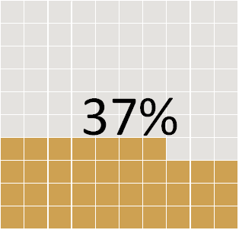
 | win % women
Medicine | 22%
Physics | 6%
Chemistry | 9%
Peace | 31%
Literature | 28%
Ecomonics | 4%

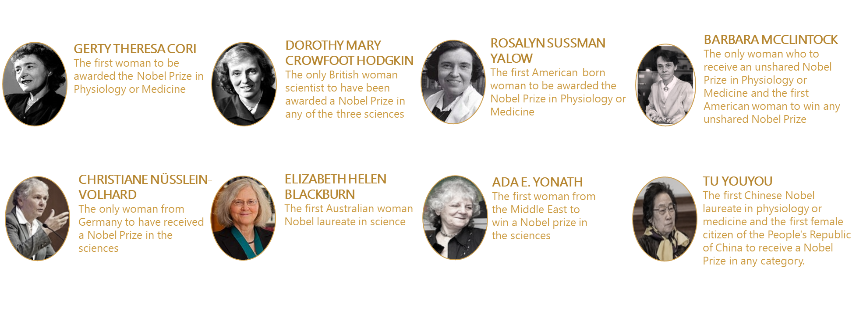

The Firsts

